Print Page 1
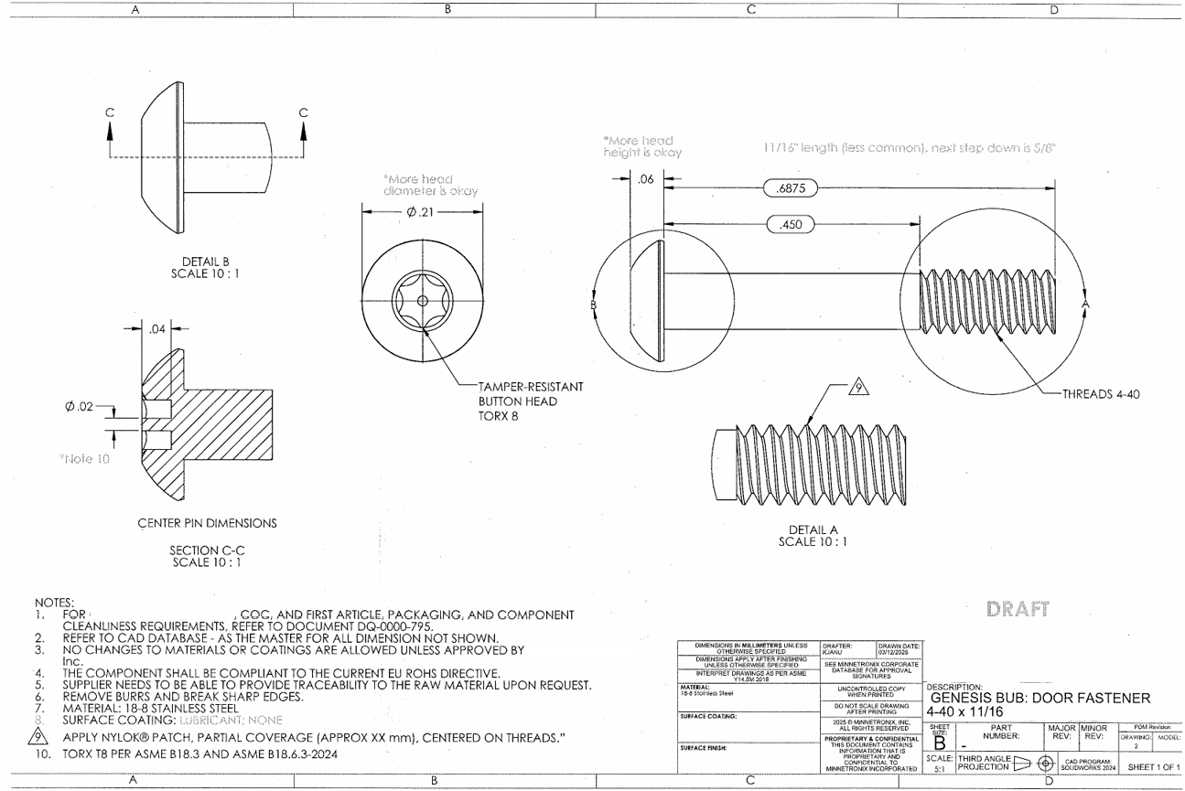

6

4
1
5

3

2

7a
7b

